BOM
Item | Part Number | Thumbnail | BOM Structure | Unit QTY | QTY | Stock Number | Description | REV | D | t | L | Link to Drawing
1 | 0000-341-005 | 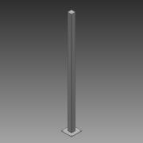 | Normal | 1 | 2 |  | Pipe Support - 100x100 L=2500 |  |  |  |  | Not available
2 | 0000-342-012 | 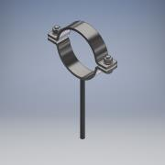 | Normal | 1 | 2 |  | Pipe Holder DN150 |  |  |  |  | Not available
3 | 0000-343-001 | 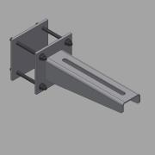 | Inseparable | 1 | 2 |  | Support Bracket for Pipe Holders - 350 |  |  |  |  | Not available
4 | 0000-750-002 | 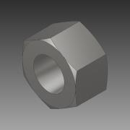 | Normal | 1 | 4 |  | Nut - M16 - ISO 4032 |  |  |  |  | Not available
5 | 0000-750-003 |  | Purchased | 1 | 4 |  | Washer - M16 - ISO 7093 |  |  |  |  | Not available
6 | 2252-342-001 | 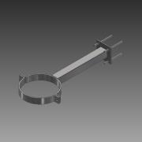 | Normal | 1 | 2 |  | Pipe holder foot L=400 |  |  |  |  | Not available
7 | 2252-504-01 |  | Normal | 1 | 2 |  | Foundation for GasMix PD |  | 1,0 | 1,0 | 1 | Not available
8 | 2252-599-01 | 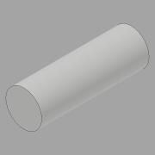 | Normal | 1 | 1 |  | Foundation for Pipe Holder |  | 1,0 | 1,0 | 1 | Not available
9 | 2252-615-001 | 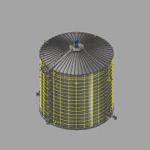 | Normal | 1 | 1 |  | Digester - Assembly - 9500m³ | G | 23,9 m
10 | 2252-BM012-01 |  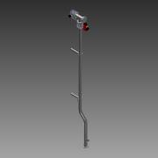 | Normal | 1 | 1 |  | From Past To DT | B
11 | 2252-BM015-03 |  | Normal | 1 | 1 |  | From IT To DT | A
12 | 2252-BM034-03 | 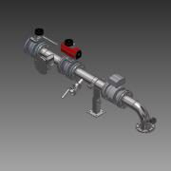 | Normal | 1 | 1 |  | From DT To PD | B
13 | 2252-BM048-01 | 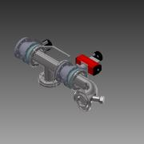 | Normal | 1 | 1 |  | From DT To Past | A
14 | 2252-BM049-01 | 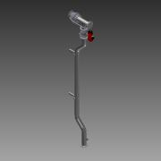 | Normal | 1 | 1 |  | From Past To DT | B

